Shipping
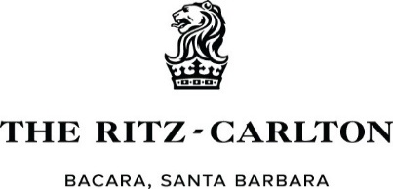

 | SPONSOR/EXHIBITOR BOX FORM
DATE: |  | Hotel Contact, direct questions and order form to: Angela Miranda Email: Angela.Miranda@ritzcarlton.com Charges will be posted to your guest room account or credit card. Please Indicate prefereence by highlighting or circling preferred billing above. If by Credit Card, a secure link will be emailed out and will need to be returned.
COMPANY NAME:
ADDRESS:

ON-SITE CONTACT:
PHONE:
EMAIL:
HOTEL RESERVATION DATES:

QUANTITY: | DESCRIPTION: | PRICE | EXTENSION | COMMENTS

 | PER BOX HANDLING/DELIVERY | $7.00 | $- | Each Way
 | PER PALLET/DELIVERY | $100.00 | $- | Each Way
 | ADDITIONAL LABOR, EACH, PER HOUR |  | $-

 |  | SUBTOTAL: | #VALUE!
 | PRICES ARE SUBJECT TO 7.25% STATE TAX | TAX | #VALUE!
 |  | TOTAL: | #VALUE!

SHIPPING INFORMATION:

Send to: | The Ritz-Carlton Bacara, Santa Barbara
 | Attn: Angela Miranda/MSE
 | 8301 Hollister Ave
 | Santa Barbara, CA 93117
 | RE: Seattle Study Club/ Sponsor/Exhibitor Name

 | *Please number boxes if multiple boxes are being sent in same shipment

**Please let us know in advance if you plan to send boxes. Please provide tracking information and number of boxes so we are aware of any boxes arriving.
Return Shipments may be arranged with our Event Concierge Team on-site. Please pack and seal your shipments and provide shipping labels in order to avoid additional shipping charges. Additional charges vary based on shipping needs.

The resort will not be responsible for the damage of loss of any equipment or articles left in the resort prior to, during, or following an event. Arrangements must be made in advance for security of exhibits, merchandise, valuables, or articles set up for display. The Ritz-Carlton Bacara, Santa Barbara may provide Loss Prevention Officers at an additional charge of $150.00 per hour, per officer, minimum of 4 hours.

